Sheet1
 |  | Document No. | Issue No. | Issue Date |  |  | Review and Replace Date |  |  | Authorised By
 |  | GFF0114MC | 1 | 05.09.2019 |  |  | New Issue
 |  | Document Title | CHICKEN CACCIATORE WITH SWEET POTATO MASH 445g
 |  |  | Page 1 of 1 |  | Clause |  |  | 6.1 |  | Magda Shah
Document amendments reason for change |  | New product launch |  |  | Previous Issue Date |  |  | New Issue |  | Uncontrolled copy unless signed original

FCCSP-R8TMC | MINDFUL CHEF |  | CHICKEN CACCIATORE WITH SWEET POTATO MASH 445g │ FROZEN
STEP 1 |  |  |  |  |  | STEP 3
 |  |  |  |  |  | 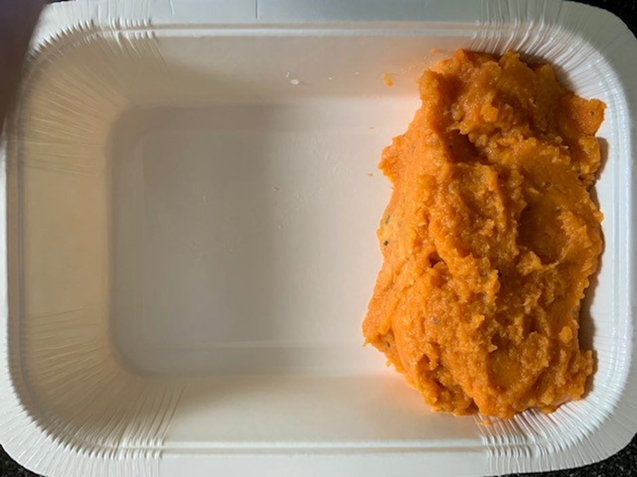

PACK DAY
+ 1 YEAR

Tray: WHITE OVENABLE BOARD TRAY (PKSOU002-01) |  |  |  |  |  | Sweet Potato Mash (GFF232R): 160g
Film: 145 X 100 X 250 (PKWRA001-07)
STEP 4
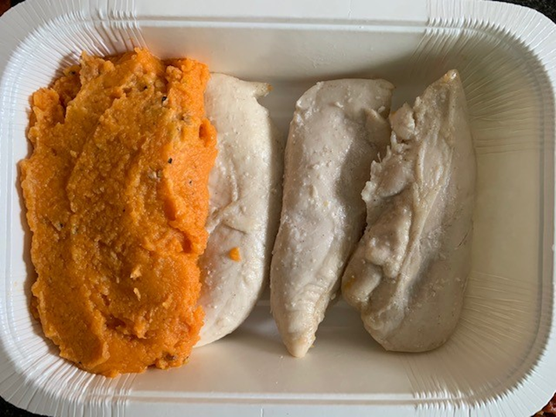 |  |  |  |  |  | 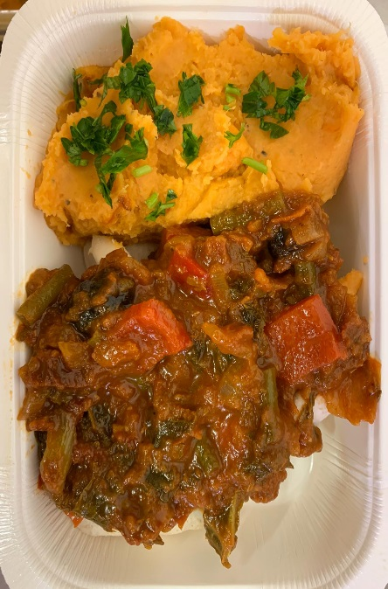

Roasted Chicken Strips (GFF271R) 115g |  |  |  |  |  | Cacciatore Sauce (GFF270R) 169g |  |  | Parsley RTE (RMIHF001-59) 1g |  | TOTAL WEIGHT: 445g

ALLERGY ALERT: NONE

